1. Title Page
Project Name: Instacart Grocery Basket Analysis
Date:
Analyst Name: Cotterman, Christian

Contents:
Population Flow
Consistency checks
Wrangling steps
Column derivations
Visualizations
Recommendations

Data Citation:
“The Instacart Online Grocery Shopping Dataset 2017”, Accessed from www.instacart.com/datasets/grocery-shopping-2017 via Kaggle on June 10, 2023.

2. Population Flow
Title page

Population flow

Exclusion flag
Condition: max_order < 5 ('low-activity' customers)
Obervations to be removed: 1,440,295
Final total count of order_products_all: 30,964,564

Orders_products_combined
Orders_products_merged
C_MERGED

Total: 32,404,859
Total: 32,434,489
Total: 32,404,859

1.) The grey boxes in the first row of the population flow represent the original data sets as they were when you downloaded them. In the Total fields you need to add the count of the rows when you imported the data set into Jupyter.
2.) The second row of boxes (coloured) represents the data sets after you manipulated them, e.g., removed missing values and duplicates. In the Total fields you need to add the count of the rows after conducting these operations. This offers a visual oveview of how the data flows throughout the data consistency checks.
3.) The third row, where also the arrows are coloured, represents the merges you performed between the datasets. In the Total fields you need to add the count of the rows in the merged datasets, so that you end up with the final dataset (in the red box). Keep in mind the final dataset should be without exclusions (based on the exclusion flag).

3. Consistency checks
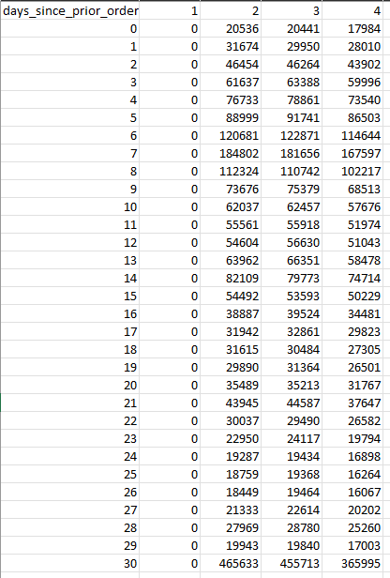
 |  |  |  | Title page
Consistency checks

Dataset | Missing values | Missing values treatment | Duplicates
orders | 206209 from 'days_since_prior_order' | Leave as missing since they belong to new customers without a prior order history | None found
products | 16 rows, no names | Removed; No accurate way to identify products | 5 found and removed
orders_products_prior | None | N/A | None found
customers | 11259 First Name | No action taken. No source to confirm names | None found

Check performed to confirm days_since_prior_order NaN values were due to being first order from customer.

4. Wrangling steps
 |  |  |  | Title page
Wrangling steps

Columns dropped | Columns renamed | Columns' type changed | Comment/Reason
eval_set |  |  | Not needed in dataframe
First_name |  |  | Dropped because it is PII data
Last_name |  |  | Dropped because it is PII data
prices |  |  | Not needed in dataframe/ variable that can change by location
aisle_id |  |  | Not needed in dataframe/ variable that can change by location
product_name |  |  | Not needed in dataframe/ variable that can change by location
 | order_dow from orders.csv |  | Renamed from orders_day_of_week for clarity
 | Surnam from customers.csv |  | Surnam from customers.csv
 |  | order_id from orders.csv | Changed from numeric to string
 |  | user_id from orders.csv | Changed from numeric to string

5. Column derivations
 |  |  |  |  |  | Title page

Column derivations and aggregations

In this tab you should add tables below that the frequences of flags/label variables that you produced after deriving them. NB: don't do this for continuous variables, only for flags.
Dataset | New column | Column/s it was derived from | Conditions | Frequency | Script Location
df_orders_products_merged | price_range_loc | prices | prices <= 5 are 'Low range product' | 10126321 | 4.7 Deriving New Variables
df_orders_products_merged | price_range_loc | prices | prices > 5 and <= 15 are 'Mid range product' | 21860860
df_orders_products_merged | price_range_loc | prices | prices > 15 are 'High range product' | 417678

df_orders_products_merged | busiest_day | orders_day_of_week | The busiest day is 'Busiest day' | 6204182 | 4.7 Deriving New Variables
df_orders_products_merged | busiest_day | orders_day_of_week | The least busy day is 'Least busy' | 3783802
df_orders_products_merged | busiest_day | orders_day_of_week | All other days are 'Regularly busy' | 22416875

df_orders_products_merged | busiest_days | orders_day_of_week | The 2 busiest days are 'Busiest days' | 11864412 | 4.7 Deriving New Variables
df_orders_products_merged | busiest_days | orders_day_of_week | The 2 least busy days are 'Least busy days' | 7624336
df_orders_products_merged | busiest_days | orders_day_of_week | All other days are 'Regularly busy' | 12916111

df_orders_products_merged | busiest_period_of_day | order_hour_of_day | The 8 hours with the most orders are 'Most orders' | 21118071 | 4.7 Deriving New Variables
df_orders_products_merged | busiest_period_of_day | order_hour_of_day | The 8 hours with the least orders are 'Fewest orders' | 1289137
df_orders_products_merged | busiest_period_of_day | order_hour_of_day | The remaining 8 hours are 'Average orders' | 9997651

df_orders_products_merged | loyalty_flag | max_order | max_order > 40 is 'Loyal customer' | 10284093 | 4.8 Grouping Data & Aggregating Variables
df_orders_products_merged | loyalty_flag | max_order | max_order > 10 and <= 40 is 'Regular customer' | 15876776
df_orders_products_merged | loyalty_flag | max_order | max_order <= 10 is 'New customer' | 6243990

df_orders_products_merged | frequency_flag | median_days_since_prior_order | median > 20 is 'Non-frequent customer' | 3636437 | 4.8 Grouping Data & Aggregating Variables
df_orders_products_merged | frequency_flag | median_days_since_prior_order | median > 10 and <= 20 is 'Regular customer | 7208564
df_orders_products_merged | frequency_flag | median_days_since_prior_order | median <= 10 is 'Frequent customer' | 21559853

df_ords_prod_cust | region | STATE | Northeast | 5722736 | Task 4.10 Part 1
df_ords_prod_cust | region | STATE | Midwest | 7597325
df_ords_prod_cust | region | STATE | South | 10791885
df_ords_prod_cust | region | STATE | West | 8292913

df_ords_prod_cust | customer_activity | max_order | max_order >= 5 is 'High-activity' | 30964564 | Task 4.10 Part 1
df_ords_prod_cust | customer_activity | max_order | max_order < 5 is 'Low-activity' | 1440295

df_high_activity_cust | age_flag | Age | Age >= 60 is 'Elderly' | 10574504 | Task 4.10 Part 1
df_high_activity_cust | age_flag | Age | Age >= 45 and < 60 is 'Middle Age' | 7311091
df_high_activity_cust | age_flag | Age | Age >= 26 and < 45 is 'Adult' | 9214451
df_high_activity_cust | age_flag | Age | Age < 26 is 'Young adult' | 3864518

C_MERGE | income_flag | income | income <= 50000 is 'Low income' | 3362554 | Task 4.10 Part 1
C_MERGE | income_flag | income | income > 50000 and <= 150000 is 'Middle income' | 23707476
C_MERGE | income_flag | income | income > 150000 is 'High income' | 3894534

6. Visualizations
Title page

Visualisations

In this tab you should include all the visualtions from Exercises 4.9 and 4.10, alongside the questions from the project brief that they answer. Include any commentary on the relationship between different variables.

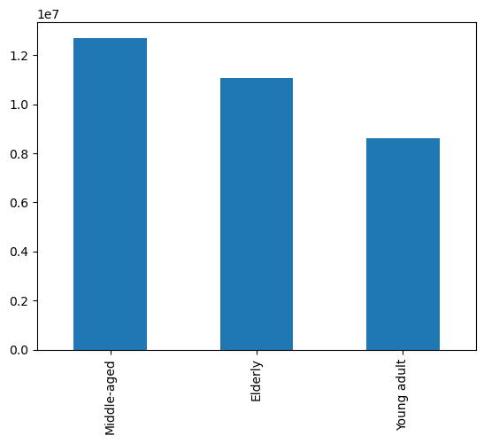
Here we can see that Middle-aged is the largest group followed closely by Elderly. Young adult is in a close third place.

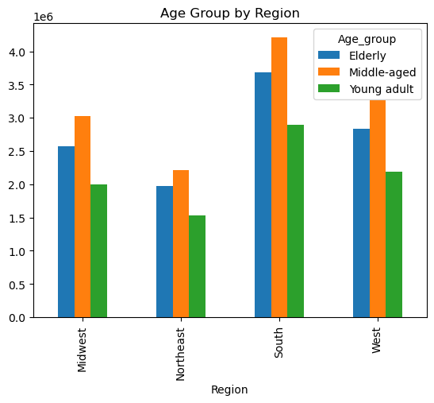

The Instacart officers are interested in comparing customer behavior in different geographic areas. Create a regional segmentation of the data. You’ll need to create a “Region” column based on the “State” column from your customers data set.

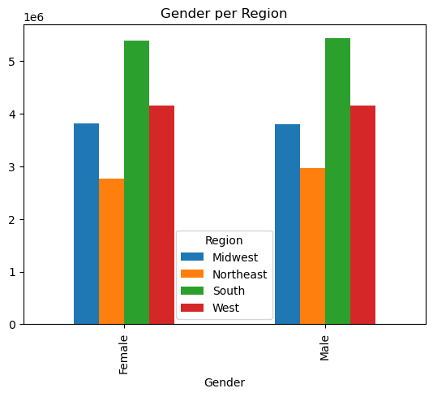

Gender apparently is not a factor in the use of Instacart. Regionally they are the same between both.

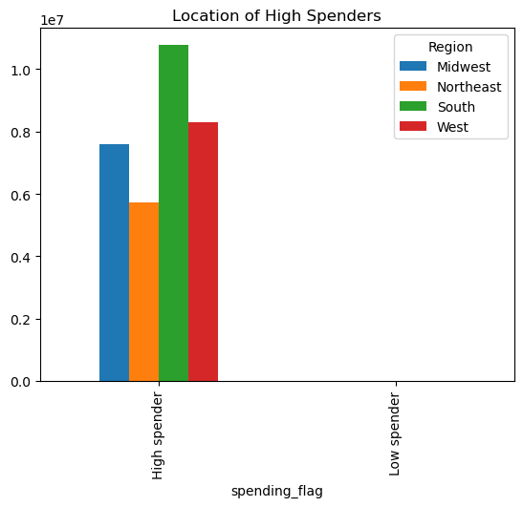

Determine whether there’s a difference in spending habits between the different U.S. regions.
The Instacart CFO isn’t interested in customers who don’t generate much revenue for the app.

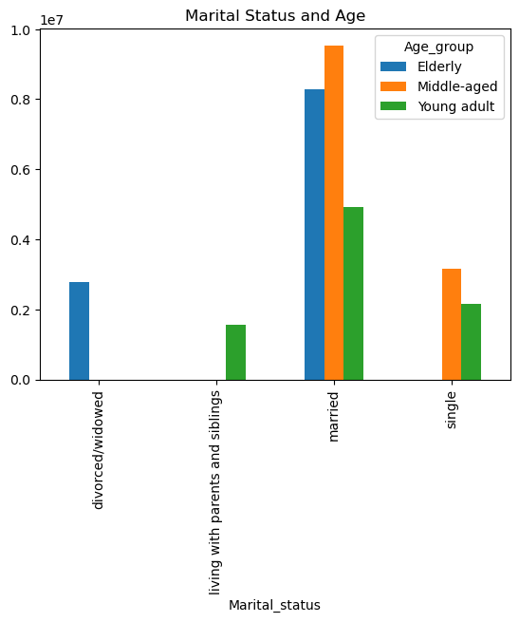

Here we can see that Married people are the highest users of Instacart, with Middle aged leading, Elderly following up in 2nd place. Young Adult is approximately half the size of Middle Aged as a group.

7. Recommendations
Title page

Recommendations

Looking at the data, the majority of customers are Married and lie within the 'Elderly' or 'Middle-aged' groups. There is more activity in the South and West regions, while the Northeast sees less volume sold.
There appears to me little to no difference in the numbers between Genders, so this point can be flagged as less important or irrelevant.

